Disclaimer
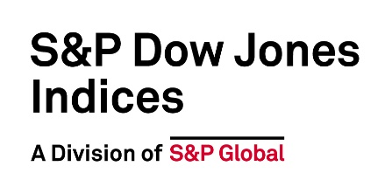

©2023 S&P Dow Jones Indices. All rights reserved. S&P, S&P 500, SPX, SPY, The 500, US500 , US 30, S&P 100, S&P COMPOSITE 1500, S&P 400, S&P MIDCAP 400, S&P 600, S&P SMALLCAP 600, S&P GIVI, GLOBAL TITANS, DIVIDEND ARISTOCRATS, Select Sector, S&P MAESTRO, S&P PRISM, S&P STRIDE, GICS, SPIVA, SPDR, INDEXOLOGY, iTraxx, iBoxx, ABX, ADBI, CDX, CMBX, MCDX, PRIMEX, HHPI and SOVX are trademarks of S&P Global, Inc. (“S&P Global”) or its affiliates. DOW JONES, DJIA, THE DOW and DOW JONES INDUSTRIAL AVERAGE are trademarks of Dow Jones Trademark Holdings LLC (“Dow Jones”). These trademarks together with others have been licensed to S&P Dow Jones Indices LLC. Redistribution or reproduction in whole or in part are prohibited without written permission of S&P Dow Jones Indices LLC. This document does not constitute an offer of services in jurisdictions where S&P Dow Jones Indices LLC, S&P Global, Dow Jones or their respective affiliates (collectively “S&P Dow Jones Indices”) do not have the necessary licenses. Except for certain custom index calculation services, all information provided by S&P Dow Jones Indices is impersonal and not tailored to the needs of any person, entity or group of persons. S&P Dow Jones Indices receives compensation in connection with licensing its indices to third parties and providing custom calculation services. Past performance of an index is not an indication or guarantee of future results.

